Confirmed PO
PURCHASE ORDER |  |  |  |  |  |  |  | PT. LARA THALIA ABADI
PO NO | : |  |  |  |  |  |  | EVERBEST TOWER - CENGKARENG BUSINESS CITY TOWER M
 |  |  |  | EVERBEST |  |  |  | Jl. Atang Sanjaya no. 21 Benda - Tangerang Banten, Indonesia
DATE | : |  |  |  |  |  |  | PHONE : 021 - 2252 9090
TO | : EDE |  |  |  |  |  |  | E-MAIL ADDRESS : buyer@everbestgroup.com

DESCRIPTION | SUPPLIER CODE | LTA ARTICLE | CODE | COLOUR | 颜色 | SIZE |  |  |  | 44 | 46 | 48 | 50 | QTY | COST | AMOUNT

 | 厂编号 | 我司鞋编号 | SE CA |  |  |  |  |  |  |  |  |  |  | 数量 | US$ | US$
 |  |  |  |  | MAKE SAMPLE | FREE | FREE SIZE |  |  |  |  |  |  | 0 | $- | $-
 |  |  |  |  | MAKE SAMPLE |  |  |  |  |  |  |  |  | 0 | $- | $-
Material : |  |  |  |  | MAKE SAMPLE |  |  |  |  |  |  |  |  | 0 | $- | $-
Lining :

 |  |  |  |  |  |  |  |  |  |  |  |  |  | 0 |  | $-

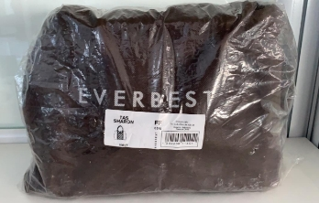
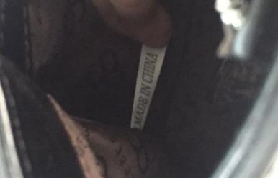
Delivery Date |  |  | BARCODE 请贴条码按照图片： |  | BAG CARD： |  |  |  | 请缝这个布标写“MADE IN CHINA"在内里布
交货日期 |  |  |  |  | 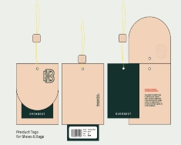
LOGO :
商标
TERM OF PAYMENT: | CREDIT

{_alejandro_}
PUT PRODUCT TAG INTO SHOE BOX
CARTON MARK ：
( 箱标志 )

PICTURE ( 图片 ):
0

0 |  | 0 |  | 0 |  |  | 0
PACKAGING 包装： |  |  |  |  |  |  | OTHER REMARKS:
 |  |  |  |  |  |  | 注意：
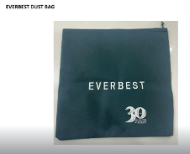


 |  |  |  |  |  |  | 1. FOLLOW AS SAMPLE
 |  |  |  |  |  |  | 遵循示例
 |  |  |  |  |  |  | 2. PLEASE ENSURE THE LONG STRAP IS INCLUDED IN EACH BAG
 |  |  |  |  |  |  | 请确保每个包中均包含长带

请用LTA胶带封箱 。请看图片
1. USING NEW DESIGN OF DUSTBAG

